Diagram
 | Displacement at mid-span [mm]
0.00E+00 | 0.00E+00
1.00E-02 | -1.88E-02
2.00E-02 | -3.77E-02
3.00E-02 | -5.66E-02
4.00E-02 | -7.54E-02
5.00E-02 | -9.43E-02
6.00E-02 | -1.13E-01
7.00E-02 | -1.32E-01
8.00E-02 | -1.51E-01
9.00E-02 | -1.70E-01
1.00E-01 | -1.89E-01
1.10E-01 | -2.07E-01
1.20E-01 | -2.26E-01
1.30E-01 | -2.45E-01
1.40E-01 | -2.64E-01
1.50E-01 | -2.83E-01
1.60E-01 | -3.02E-01
1.70E-01 | -3.20E-01
1.80E-01 | -3.39E-01
1.90E-01 | -3.58E-01
2.00E-01 | -3.77E-01
2.10E-01 | -3.96E-01
2.20E-01 | -4.15E-01
2.30E-01 | -4.34E-01
2.40E-01 | -4.52E-01
2.50E-01 | -4.71E-01
2.60E-01 | -4.90E-01
2.70E-01 | -5.09E-01
2.80E-01 | -5.28E-01
2.90E-01 | -5.47E-01
3.00E-01 | -5.66E-01
3.10E-01 | -5.84E-01
3.20E-01 | -6.03E-01
3.30E-01 | -6.22E-01
3.40E-01 | -6.41E-01
3.50E-01 | -6.60E-01
3.60E-01 | -6.79E-01
3.70E-01 | -6.97E-01
3.80E-01 | -7.16E-01
3.90E-01 | -7.35E-01
4.00E-01 | -7.54E-01
4.10E-01 | -7.73E-01
4.20E-01 | -7.92E-01
4.30E-01 | -8.11E-01
4.40E-01 | -8.29E-01
4.50E-01 | -8.48E-01
4.60E-01 | -8.67E-01
4.70E-01 | -8.86E-01
4.80E-01 | -9.05E-01
4.90E-01 | -9.24E-01
...

Deflected shape
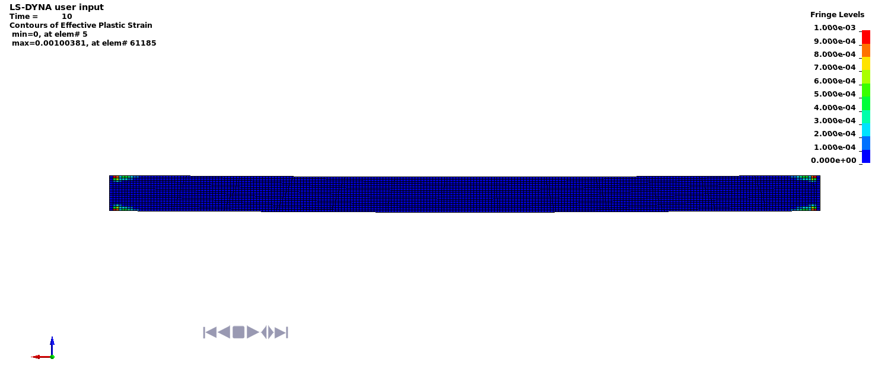

Deflected shape with visible contours of plasticity

